Main
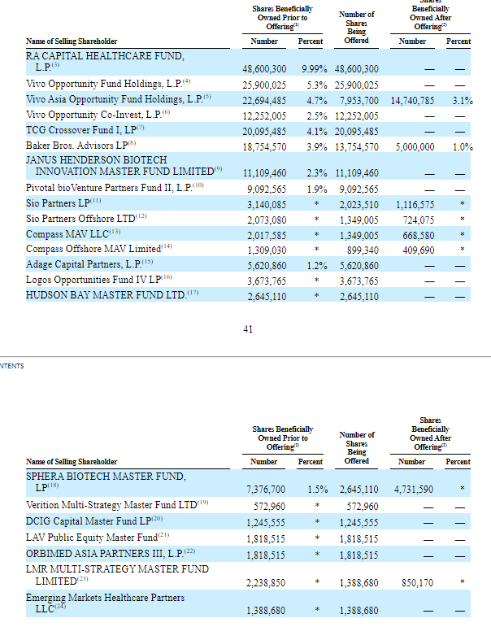
GRCL Model

P
S/O
MC
Cash
Debt
Net Cash

EV

